VWO Login Page - Test Cases
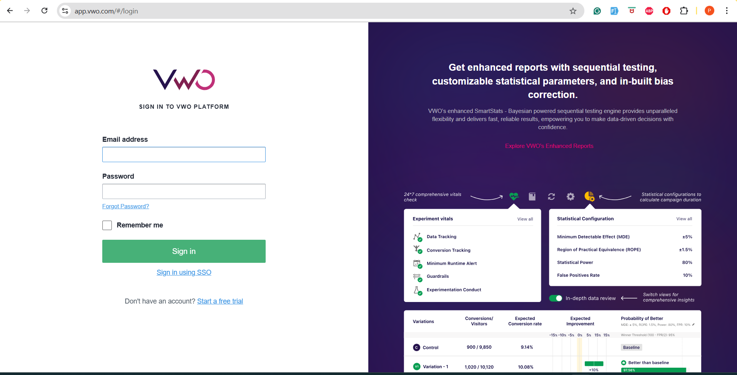
VWO Login Page - Test Cases

The screenshot shows a VWO platform login page with:

Email address input field
Password input field
"Remember me" checkbox
"Sign in" button
"Sign in using SSO" link
"Forgot Password?" link
"Start a free trial" link for new users
Right panel showcasing enhanced reports features

Test Cases Table
Scenario TID | Test Scenario | Test Case Id | Test Data | Test Case Title | Pre Condition | Steps to Execute | Expected Result | Actual Result | Status | Executed QA Name | Misc (Comments) | Priority | Is Automated
TS_LOGIN_001 | Valid Login Functionality | TC_POS_001 | Valid email: test@company.com, Valid password: Test@123 | Verify successful login with valid credentials | User is on VWO login page | 1. Enter valid email address 2. Enter valid password 3. Click Sign in button | User should be redirected to VWO dashboard |  |  |  | Standard login flow | High | Yes
TS_LOGIN_002 | Invalid Email Validation | TC_NEG_001 | Invalid email: invalid-email, Password: Test@123 | Verify login fails with invalid email format | User is on VWO login page | 1. Enter invalid email format 2. Enter valid password 3. Click Sign in button | Error message should display for invalid email format |  |  |  | Email format validation | High | Yes
TS_LOGIN_003 | Empty Email Field | TC_NEG_002 | Email: (empty), Password: Test@123 | Verify login fails with empty email field | User is on VWO login page | 1. Leave email field empty 2. Enter valid password 3. Click Sign in button | Error message should display indicating email is required |  |  |  | Required field validation | High | Yes
TS_LOGIN_004 | Empty Password Field | TC_NEG_003 | Email: test@company.com, Password: (empty) | Verify login fails with empty password field | User is on VWO login page | 1. Enter valid email 2. Leave password field empty 3. Click Sign in button | Error message should display indicating password is required |  |  |  | Required field validation | High | Yes
TS_LOGIN_005 | Both Fields Empty | TC_NEG_004 | Email: (empty), Password: (empty) | Verify login fails when both fields are empty | User is on VWO login page | 1. Leave both email and password fields empty 2. Click Sign in button | Error messages should display for both required fields |  |  |  | Form validation | High | Yes
TS_LOGIN_006 | Invalid Credentials | TC_NEG_005 | Email: test@company.com, Password: WrongPassword123 | Verify login fails with invalid credentials | User is on VWO login page | 1. Enter valid email format 2. Enter incorrect password 3. Click Sign in button | Error message should display indicating invalid credentials |  |  |  | Authentication validation | High | Yes
TS_LOGIN_007 | SQL Injection Attack | TC_SEC_001 | Email: admin'--; Password: anything | Verify system is protected against SQL injection | User is on VWO login page | 1. Enter SQL injection payload in email field 2. Enter any password 3. Click Sign in button | System should handle input safely, show invalid email format error |  |  |  | Security testing | High | No
TS_LOGIN_008 | XSS Attack Prevention | TC_SEC_002 | Email: <script>alert('xss')</script>@test.com, Password: Test@123 | Verify system prevents XSS attacks | User is on VWO login page | 1. Enter XSS payload in email field 2. Enter valid password 3. Click Sign in button | Script should not execute, invalid email format error should display |  |  |  | Security testing | High | No
TS_LOGIN_009 | Remember Me Functionality | TC_FUNC_001 | Valid email: test@company.com, Valid password: Test@123 | Verify Remember Me checkbox functionality | User is on VWO login page | 1. Enter valid credentials 2. Check Remember me checkbox 3. Click Sign in 4. Close browser 5. Reopen and navigate to login page | User credentials should be remembered (email pre-filled) |  |  |  | Session management | Medium | Yes
TS_LOGIN_010 | Remember Me Unchecked | TC_FUNC_002 | Valid email: test@company.com, Valid password: Test@123 | Verify login without Remember Me checked | User is on VWO login page | 1. Enter valid credentials 2. Leave Remember me unchecked 3. Click Sign in 4. Close browser 5. Reopen and navigate to login page | Login fields should be empty, no credentials remembered |  |  |  | Session management | Medium | Yes
TS_LOGIN_011 | Forgot Password Link | TC_FUNC_003 | N/A | Verify Forgot Password link functionality | User is on VWO login page | 1. Click on "Forgot Password?" link | User should be redirected to password reset page |  |  |  | Password recovery flow | Medium | Yes
TS_LOGIN_012 | SSO Login Link | TC_FUNC_004 | N/A | Verify SSO login link functionality | User is on VWO login page | 1. Click on "Sign in using SSO" link | User should be redirected to SSO authentication page |  |  |  | SSO integration | Medium | Yes
TS_LOGIN_013 | Free Trial Link | TC_FUNC_005 | N/A | Verify Start a free trial link functionality | User is on VWO login page | 1. Click on "Start a free trial" link | User should be redirected to registration/trial signup page |  |  |  | User acquisition flow | Medium | Yes
TS_LOGIN_014 | Email Field Length Validation | TC_BOUND_001 | Email: Very long email address (>254 characters), Password: Test@123 | Verify email field handles maximum length | User is on VWO login page | 1. Enter extremely long email address 2. Enter valid password 3. Click Sign in button | System should handle gracefully, show appropriate error message |  |  |  | Boundary testing | Low | Yes
TS_LOGIN_015 | Password Field Length | TC_BOUND_002 | Email: test@company.com, Password: Very long password (>128 characters) | Verify password field handles maximum length | User is on VWO login page | 1. Enter valid email 2. Enter extremely long password 3. Click Sign in button | System should handle gracefully or truncate appropriately |  |  |  | Boundary testing | Low | Yes
TS_LOGIN_016 | Special Characters in Email | TC_EDGE_001 | Email: test+user@company.co.uk, Password: Test@123 | Verify email with special characters works | User is on VWO login page | 1. Enter email with + symbol 2. Enter valid password 3. Click Sign in button | System should accept valid email formats with special characters |  |  |  | Edge case testing | Medium | Yes
TS_LOGIN_017 | Case Sensitivity Check | TC_EDGE_002 | Email: TEST@COMPANY.COM, Password: test@123 | Verify email case insensitivity and password case sensitivity | User is on VWO login page | 1. Enter email in uppercase 2. Enter password in different case 3. Click Sign in button | Email should be case insensitive, password should be case sensitive |  |  |  | Authentication behavior | Medium | Yes
TS_LOGIN_018 | Browser Back Button | TC_UI_001 | Valid credentials | Verify behavior after successful login and browser back | User successfully logged in to VWO dashboard | 1. Successfully log in 2. Press browser back button | User should remain logged in or be redirected appropriately |  |  |  | Navigation behavior | Low | No
TS_LOGIN_019 | Page Refresh During Login | TC_UI_002 | Email: test@company.com (partially entered) | Verify form behavior on page refresh | User is in middle of entering credentials | 1. Start entering email 2. Refresh the page | Form should be cleared, no data should persist |  |  |  | Form state management | Low | Yes
TS_LOGIN_020 | Tab Navigation | TC_UI_003 | N/A | Verify keyboard navigation through form elements | User is on VWO login page | 1. Use Tab key to navigate through form elements | Focus should move logically: Email → Password → Remember me → Sign in button |  |  |  | Accessibility testing | Medium | No
TS_LOGIN_021 | Enter Key Submission | TC_UI_004 | Valid email: test@company.com, Valid password: Test@123 | Verify form submission using Enter key | User is on VWO login page with filled credentials | 1. Enter valid credentials 2. Press Enter key | Form should submit and user should be logged in |  |  |  | Keyboard interaction | Medium | Yes
TS_LOGIN_022 | Mobile Responsiveness | TC_UI_005 | Valid credentials | Verify login page on mobile devices | User accesses VWO login page on mobile device | 1. Open page on mobile device 2. Enter credentials 3. Attempt login | Page should be responsive, all elements should be accessible and functional |  |  |  | Cross-device testing | Medium | No
TS_LOGIN_023 | Multiple Failed Attempts | TC_SEC_003 | Email: test@company.com, Password: WrongPassword (multiple attempts) | Verify account lockout after multiple failed attempts | User is on VWO login page | 1. Enter valid email with wrong password 2. Repeat login attempt 5 times | After threshold, account should be temporarily locked with appropriate message |  |  |  | Brute force protection | High | Yes
TS_LOGIN_024 | Enhanced Reports Panel | TC_UI_006 | N/A | Verify right panel content display | User is on VWO login page | 1. Observe right panel content 2. Check if content is readable and properly formatted | Enhanced reports information should be clearly visible with proper formatting |  |  |  | Marketing content display | Low | No

Free Trial Page - Test Cases
VWO Free Trial Page - Test Cases
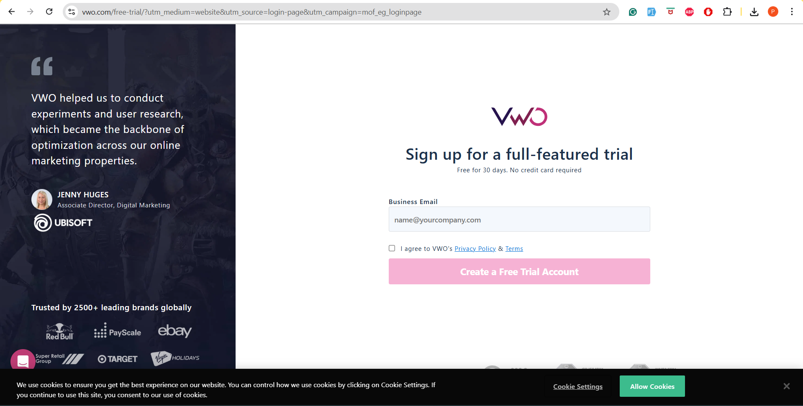

Scenario TID | Test Scenario | Test Case Id | Test Data | Test Case Title | Pre Condition | Steps to Execute | Expected Result | Actual Result | Status | Executed QA Name | Misc (Comments) | Priority | Is Automated
TS_001 | Valid Free Trial Registration | TC_UI_001 | Valid business email: john.doe@company.com | Verify successful free trial signup with valid business email | User is on VWO free trial page, internet connection active | 1. Enter valid business email in "Business Email" field<br>2. Check "I agree to VWO's Privacy Policy & Terms" checkbox<br>3. Click "Create a Free Trial Account" button | User successfully creates free trial account and is redirected to dashboard/confirmation page |  |  |  | Valid business email format and terms acceptance required | High | Yes
TS_002 | Invalid Email Format Validation | TC_NEG_001 | Invalid email: invalidemailformat | Verify error message for invalid email format | User is on VWO free trial page | 1. Enter invalid email format in "Business Email" field<br>2. Check terms checkbox<br>3. Click "Create a Free Trial Account" button | Error message displayed: "Please enter a valid email address" and form not submitted |  |  |  | Email validation should trigger on blur or submit | High | Yes
TS_003 | Empty Email Field Validation | TC_NEG_002 | Empty email field | Verify validation for empty email field | User is on VWO free trial page | 1. Leave "Business Email" field empty<br>2. Check terms checkbox<br>3. Click "Create a Free Trial Account" button | Error message displayed: "Email is required" and form not submitted |  |  |  | Required field validation | High | Yes
TS_004 | Terms and Conditions Validation | TC_NEG_003 | Valid email: test@company.com, Unchecked terms | Verify validation when terms checkbox is not checked | User is on VWO free trial page | 1. Enter valid email in "Business Email" field<br>2. Do NOT check "I agree to VWO's Privacy Policy & Terms" checkbox<br>3. Click "Create a Free Trial Account" button | Error message displayed: "Please agree to terms and conditions" and form not submitted |  |  |  | Terms acceptance is mandatory for signup | High | Yes
TS_005 | Personal Email Domain Validation | TC_NEG_004 | Personal email: john@gmail.com | Verify handling of personal email domains for business signup | User is on VWO free trial page | 1. Enter personal email (gmail, yahoo, hotmail) in "Business Email" field<br>2. Check terms checkbox<br>3. Click "Create a Free Trial Account" button | Warning message or form accepts but flags as personal email (behavior depends on business rules) |  |  |  | Business may have restrictions on personal email domains | Medium | Yes
TS_006 | SQL Injection in Email Field | TC_SEC_001 | Malicious input: admin'--@test.com | Verify security against SQL injection in email field | User is on VWO free trial page | 1. Enter SQL injection attempt in email field<br>2. Check terms checkbox<br>3. Click "Create a Free Trial Account" button | Input is sanitized, no database errors, appropriate error message shown |  |  |  | Security testing for input sanitization | High | No
TS_007 | XSS Attack in Email Field | TC_SEC_002 | XSS input: <script>alert('xss')</script>@test.com | Verify protection against XSS attacks | User is on VWO free trial page | 1. Enter XSS script in email field<br>2. Check terms checkbox<br>3. Click "Create a Free Trial Account" button | Input is encoded/sanitized, no script execution, form validates properly |  |  |  | XSS prevention testing | High | No
TS_008 | Maximum Length Email Validation | TC_BND_001 | Very long email: 256+ characters | Verify email field character limit validation | User is on VWO free trial page | 1. Enter extremely long email (256+ chars)<br>2. Check terms checkbox<br>3. Click "Create a Free Trial Account" button | Error message for exceeding character limit or input truncated appropriately |  |  |  | Email field should have reasonable length limits | Medium | Yes
TS_009 | Special Characters in Email | TC_BND_002 | Email with special chars: user+tag@domain.co.uk | Verify acceptance of valid special characters in email | User is on VWO free trial page | 1. Enter email with valid special characters<br>2. Check terms checkbox<br>3. Click "Create a Free Trial Account" button | Email accepted and form submitted successfully |  |  |  | #ERROR! | Medium | Yes
TS_010 | Privacy Policy Link Functionality | TC_UI_002 | N/A | Verify Privacy Policy link opens correctly | User is on VWO free trial page | 1. Click on "Privacy Policy" link in terms checkbox text | Privacy Policy page opens in new tab/window with correct content |  |  |  | Link should open in new tab to avoid losing form data | Medium | Yes
TS_011 | Terms Link Functionality | TC_UI_003 | N/A | Verify Terms link opens correctly | User is on VWO free trial page | 1. Click on "Terms" link in terms checkbox text | Terms of Service page opens in new tab/window with correct content |  |  |  | Link should open in new tab to avoid losing form data | Medium | Yes
TS_012 | Form Submit Button State | TC_UI_004 | Valid email: test@company.com | Verify button behavior during form submission | User is on VWO free trial page | 1. Enter valid email<br>2. Check terms checkbox<br>3. Click "Create a Free Trial Account" button<br>4. Observe button state | Button shows loading state/disabled during processing to prevent double submission |  |  |  | Prevents duplicate submissions and improves UX | Medium | Yes
TS_013 | Page Load Performance | TC_PRF_001 | N/A | Verify page loads within acceptable time | User navigates to VWO free trial page | 1. Navigate to the free trial page URL<br>2. Measure page load time | Page loads completely within 3 seconds on standard connection |  |  |  | Performance baseline for user experience | Medium | No
TS_014 | Mobile Responsiveness | TC_UI_005 | Mobile viewport: 375x667px | Verify form functionality on mobile devices | User accesses page on mobile device/responsive mode | 1. Open page on mobile device or browser responsive mode<br>2. Test form field interaction<br>3. Test button functionality | Form elements are properly sized, clickable, and functional on mobile |  |  |  | Mobile optimization is crucial for conversions | High | Yes
TS_015 | Browser Compatibility | TC_COM_001 | Different browsers: Chrome, Firefox, Safari, Edge | Verify cross-browser functionality | User has different browsers available | 1. Open page in Chrome, Firefox, Safari, Edge<br>2. Test form submission in each browser | Form works consistently across all major browsers |  |  |  | Cross-browser compatibility testing | Medium | Yes
TS_016 | Existing Email Registration | TC_NEG_005 | Already registered email: existing@company.com | Verify handling of duplicate email registration | Email already exists in VWO system | 1. Enter email that's already registered<br>2. Check terms checkbox<br>3. Click "Create a Free Trial Account" button | Appropriate message: "Account already exists" with option to login |  |  |  | Duplicate prevention and user guidance | High | Yes
TS_017 | Accessibility - Keyboard Navigation | TC_ACC_001 | N/A | Verify form accessibility via keyboard navigation | User is on VWO free trial page | 1. Use Tab key to navigate through form elements<br>2. Use Enter/Space to interact with checkbox and button<br>3. Complete form submission using only keyboard | All form elements are accessible and functional via keyboard only |  |  |  | WCAG compliance and accessibility standards | Medium | No
TS_018 | Cookie Banner Interaction | TC_UI_006 | N/A | Verify cookie consent banner functionality | User is on VWO free trial page, cookie banner visible | 1. Click "Allow Cookies" button<br>2. Verify banner disappears<br>3. Test "Cookie Settings" functionality | Cookie preferences are saved, banner dismisses, settings work properly |  |  |  | GDPR compliance and cookie management | Medium | Yes
TS_019 | Network Failure Handling | TC_ERR_001 | Network disconnection simulation | Verify error handling when network fails during submission | User fills form, network connection available initially | 1. Fill form with valid data<br>2. Disconnect network<br>3. Click submit button | Appropriate error message about network connectivity, option to retry |  |  |  | Error handling and user experience during failures | Medium | No
TS_020 | Server Error Handling | TC_ERR_002 | Valid form data, server returns 500 error | Verify handling of server-side errors | Form filled with valid data, server experiencing issues | 1. Fill form correctly<br>2. Submit form when server returns error<br>3. Observe error handling | User-friendly error message displayed, option to try again provided |  |  |  | Graceful error handling for server issues | Medium | No

